Hiearchy View
CLASS: WORKS OF ART
a painting, sculpture, poem, piece of music, or other product of the creative arts, especially one with strong imaginative or aesthetic appeal. |  | 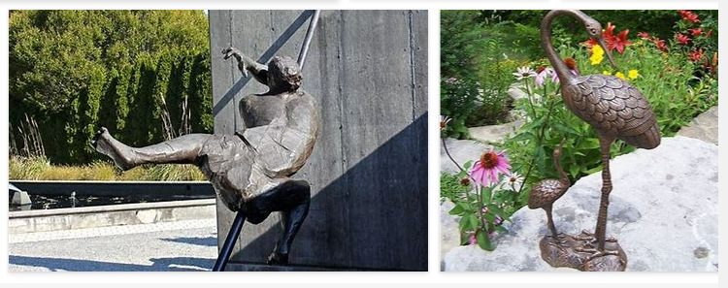
REMOVE | N

PROBLEM_DESC | CAUSE_DESC | REMEDY_DESC
BROKEN/DAMAGED
LIGHTING
OTHER PROBLEM
PESTS
STOPPED/SLOWED/POOR OPS
TEMP-CTRL
VIBRATION
Grand Total

